Introduction
 | Pre-Flight Performance Model
 | Produced by Jonathan Nicholas
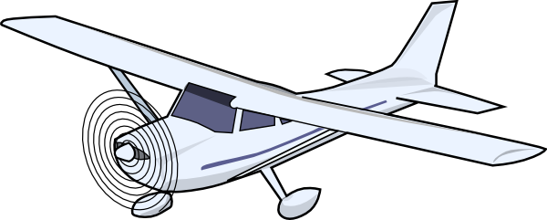
Tab Key
 | Input Tab
 | Calculation Tab
 | Output Tab
 | Appendix Tab
Field Key
 | Input field
xxx
 | Calculation field

 | Instructions

 | 1. All users please input details only in Yellow tabs. Avoid changing formulas and format in blue or green tabs.
 | 2. All users please adhere to key above and input details into relevant orange input fields. Do no alter calculation fields.
 | 3. The main entry tab that flows through to all tabs is the 'Variables' tab and each section is titled to indicate what it affects.
 | 4. If you would like to add additional airfields please add them in the airfields/airports box in Airfields & Performance Factors tab and ensure the distinct types are updated.
 | 5. This model is setup for General Aviation aircraft operated by Stapleford (Cessna 152, Cessna 172, Piper Warrior, Piper Arrow II and III). If your club operates different types update the types, callsigns and POH information in Aircraft Schedule Information tab. Ensure the Distinct Types also reflects any new types.
 | 6. If new aircraft types are input, the relevant flight envelope details also need to be changed in Airfield Schedule Info under the relevant headings.
 | 7. This model works with aircraft consuming both AVGAS fuel and AVTUR (Jet Fuel). However, by default AVGAS is selected.
 | 8. Before carrying out your performance calculations, ensure accurate meteorlogical information is inputted into this tool to derive the correct pressure and density altitudes which will underpin the basis of your take off and landing performance.
 | 9. Once all relevant variables are input and you have the results, copy and paste the correct Flight envelope to the Performance Calcs & Print Out tab.
 | 10. Use the Performance Calcs and Print Out tab as the page you print out before each flight.

 | N.B - It is the responsibility of the Pilot in Command (PIC) that all information input into this tool is accurate to provide accurate results.
 | N.B - It is also the responsibility of the PIC to ensure that the results reflected are accurate, especially if any changes have been made.

C152 W&B Envelope
Weight & Balance Envelopes Metrics

C152 Weight and Balance Envelope
 | Boundary 1 |  | Boundary 2 |  | Boundary 3 |  | Boundary 4 |  | A/C Point at T/O |  | A/C Landing Totals |  | Utility / Normal Category Line
31.0 | 1,000.0 | 31.0 | 1,450.0 | 32.6 | 1,670.0 | 36.5 | 1,670.0 | 0 | 0 | 0 | 0 | 0.0 | 0.0
31.0 | 1,450.0 | 32.6 | 1,670.0 | 36.5 | 1,670.0 | 36.5 | 1,000.0 |  |  |  |  | 0.0 | 0.0

C172 W&B Envelope
Weight & Balance Envelopes

C172M Weight and Balance Envelope
 | Boundary 1 |  | Boundary 2 |  | Boundary 3 |  | Boundary 4 |  | A/C Point at T/O |  | A/C Landing Totals |  | Utility / Normal Category Line 1 |  | Utility Category Line 2
35.0 | 1,400.0 | 35.0 | 1,950.0 | 38.5 | 2,300.0 | 47.3 | 2,300.0 | 0 | 0 | 0 | 0 | 35.5 | 2,000.0 | 40.5 | 2,000.0
35.0 | 1,950.0 | 38.5 | 2,300.0 | 47.3 | 2,300.0 | 47.3 | 1,400.0 |  |  |  |  | 40.5 | 2,000.0 | 40.5 | 1,400.0

PA28 W&B Envelope
Weight & Balance Envelopes

PA28 Weight and Balance Envelope
 | Boundary 1 |  | Boundary 2 |  | Boundary 3 |  | Boundary 4 |  | A/C Point at T/O |  | A/C Landing Totals |  | Utility / Normal Category Line
83.0 | 1,200.0 | 83.0 | 1,950.0 | 87.0 | 2,325.0 | 93.0 | 2,325.0 | 0 | 0 | 0 | 0 | 83.8 | 2,000.0
83.0 | 1,950.0 | 87.0 | 2,325.0 | 93.0 | 2,325.0 | 93.0 | 1,200.0 |  |  |  |  | 93.0 | 2,000.0

PA28R-200 W&B Envelope
Weight & Balance Envelopes

PA28R-200 Weight and Balance Envelope
 | Boundary 1 |  | Boundary 2 |  | Boundary 3 |  | Boundary 4 |  | Boundary 5 |  | A/C Point at T/O |  | A/C Landing Totals |  | Utility / Normal Category Line
80.0 | 1,400.0 | 80.0 | 1,800.0 | 82.0 | 2,300.0 | 87.3 | 2,650.0 | 93.0 | 2,650.0 | 0 | 0 | 0 | 0 | 0.0 | 0.0
80.0 | 1,800.0 | 82.0 | 2,300.0 | 87.3 | 2,650.0 | 93.0 | 2,650.0 | 93.0 | 1,400.0 |  |  |  |  | 0.0 | 0.0

PA28R-201 W&B Envelope
Weight & Balance Envelopes

PA28R-201 Weight and Balance Envelope
 | Boundary 1 |  | Boundary 2 |  | Boundary 3 |  | Boundary 4 |  | A/C Point at T/O |  | A/C Landing Totals |  | Utility / Normal Category Line
82.0 | 1,400.0 | 82.0 | 2,375.0 | 88.8 | 2,750.0 | 91.4 | 2,750.0 | 0 | 0 | 0 | 0 | 0.0 | 0.0
82.0 | 2,375.0 | 88.8 | 2,750.0 | 91.4 | 2,750.0 | 91.4 | 1,400.0 |  |  |  |  | 0.0 | 0.0

Appendix 1 -AVGAS Fuel Conv
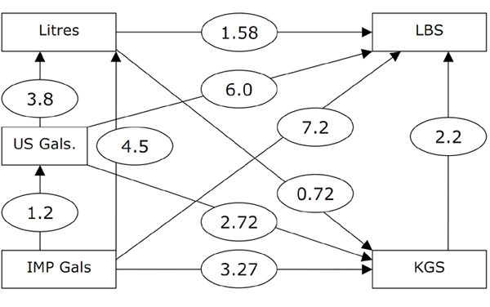

Appendix 2 -AVTUR Fuel Conv
